Calculations
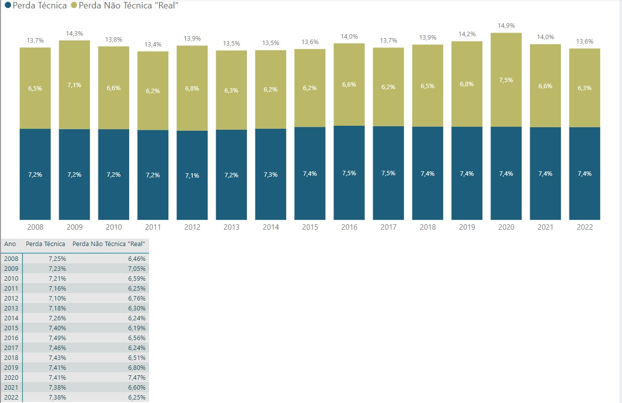
 | Perda Técnica (%) | Perda Não Técnica (%) | Perda Total (%)
2008 | 7.25% | 6.46% | 13.71% | Technical and Non-technical losses in the National Interconnected System (SIN)
2009 | 7.23% | 7.05% | 14.28%
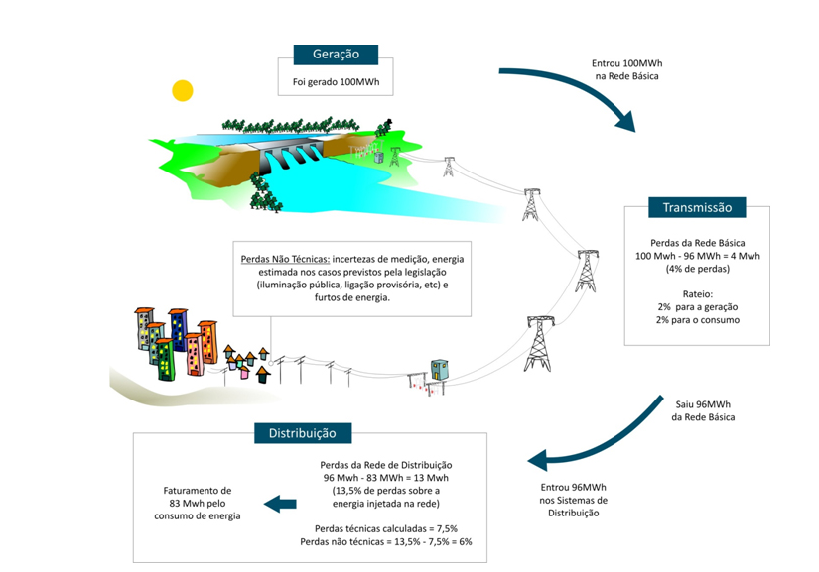
2010 | 7.21% | 6.59% | 13.80%
2011 | 7.16% | 6.25% | 13.41%
2012 | 7.10% | 6.76% | 13.86%
2013 | 7.18% | 6.30% | 13.48%
2014 | 7.26% | 6.24% | 13.50%
2015 | 7.40% | 6.19% | 13.59%
2016 | 7.49% | 6.56% | 14.05%
2017 | 7.46% | 6.24% | 13.70%
2018 | 7.43% | 6.51% | 13.94%
2019 | 7.41% | 6.80% | 14.21%
2020 | 7.41% | 7.47% | 14.88%
2021 | 7.38% | 6.60% | 13.98%
2022 | 7.38% | 6.25% | 13.63%
avg | 7.42%

We assumed T&D losses going forward are constant
at the average value the period 2016-2022.

No meaningful trend since 2000, so we assume T&D losses going forward are constant at the average value for this period.

Average |  |  | 0.139

